BestoClinicBug
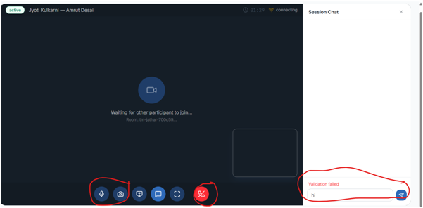
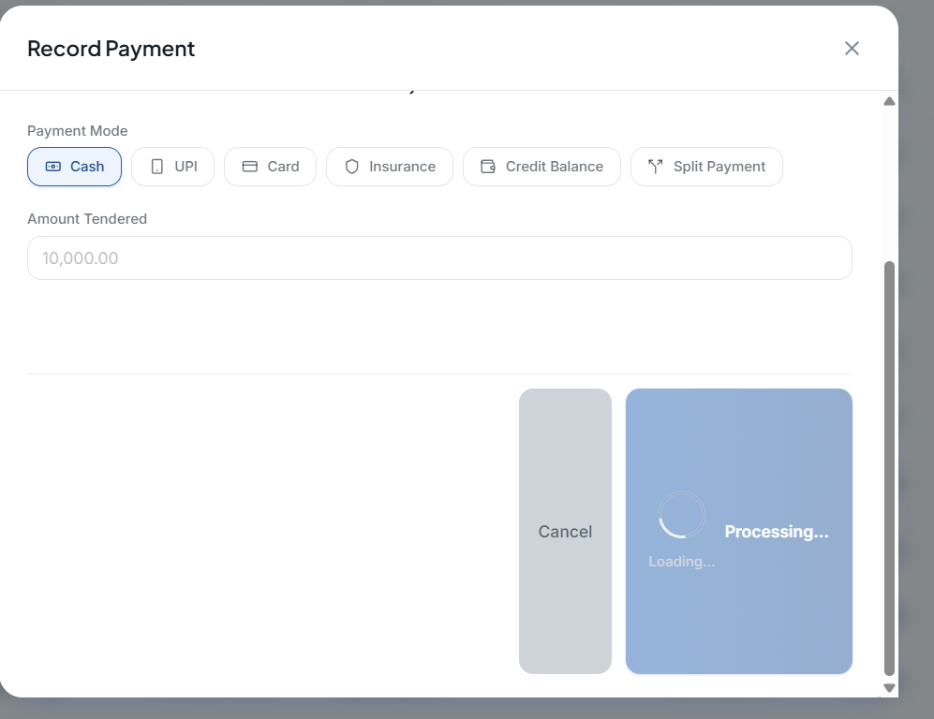
 |  | In Teleconsultation Audio / Video Button is not working and still End session but is not working,Chat is also showing Validation Failed

 |  |  | We have to come back manaully and end the call here

 |  |  | Teleconsultation Started notification worked on Doctor Dashboard ,but not on Patient side

 |  |  | Patient Web

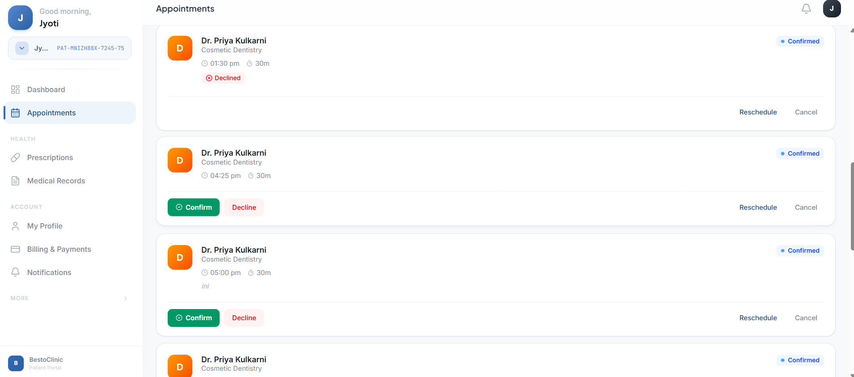
 |  |  | When we try to Confirm ,it shows Validation Failed ,but sometimes works also

 |  |  | Patient Portal[Web]

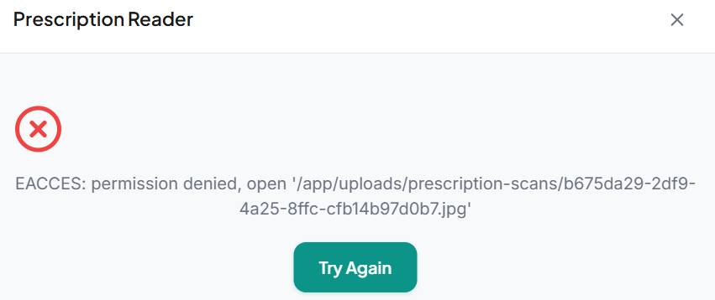
 |  |  | Prescription Reader failed

 |  |  | Chatbot

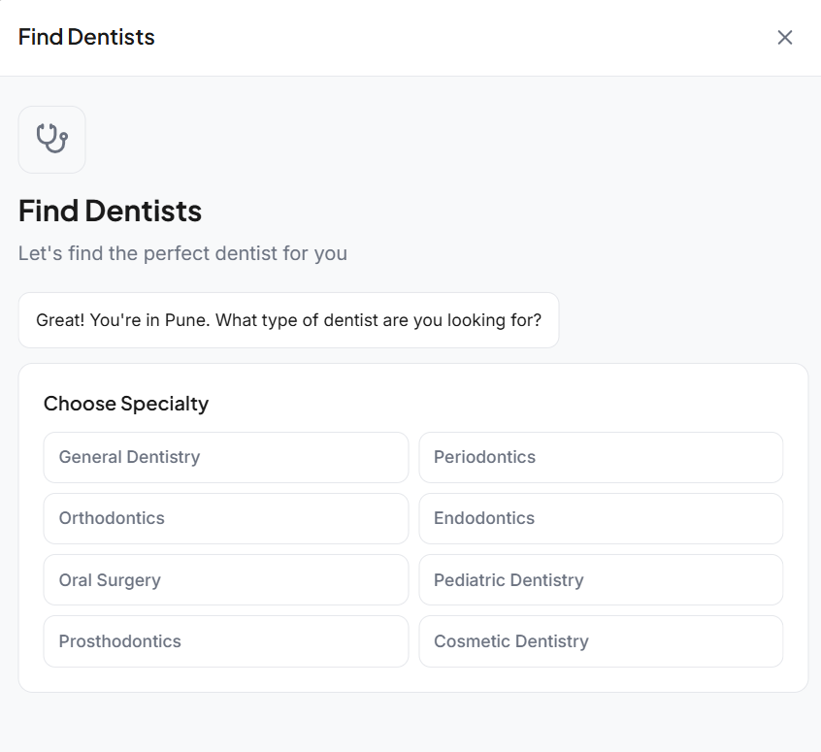

 |  |  | Eventhough im in my hometown,location is detected as Pune

 |  |  | Chatbot

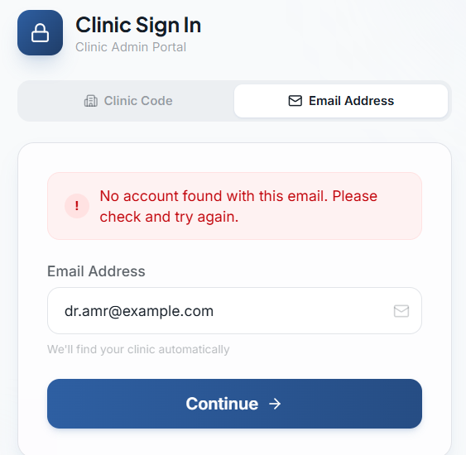

 |  | Doctor sign in is not working with emailaddress ,Only works with Clinic code +Email id + Pwd

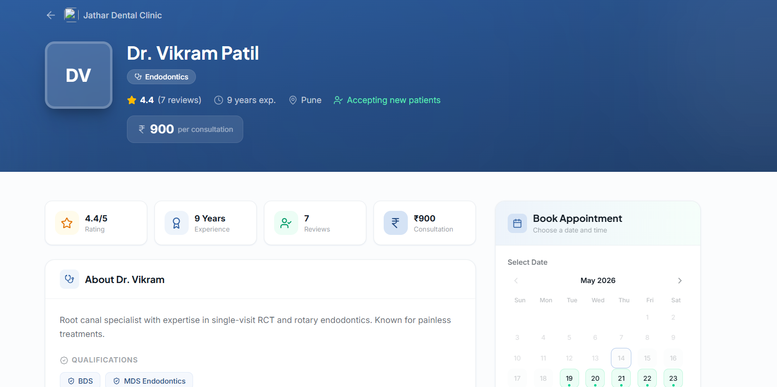

 |  | Clinic Logo is not visible, Home > Browse >Doctors List

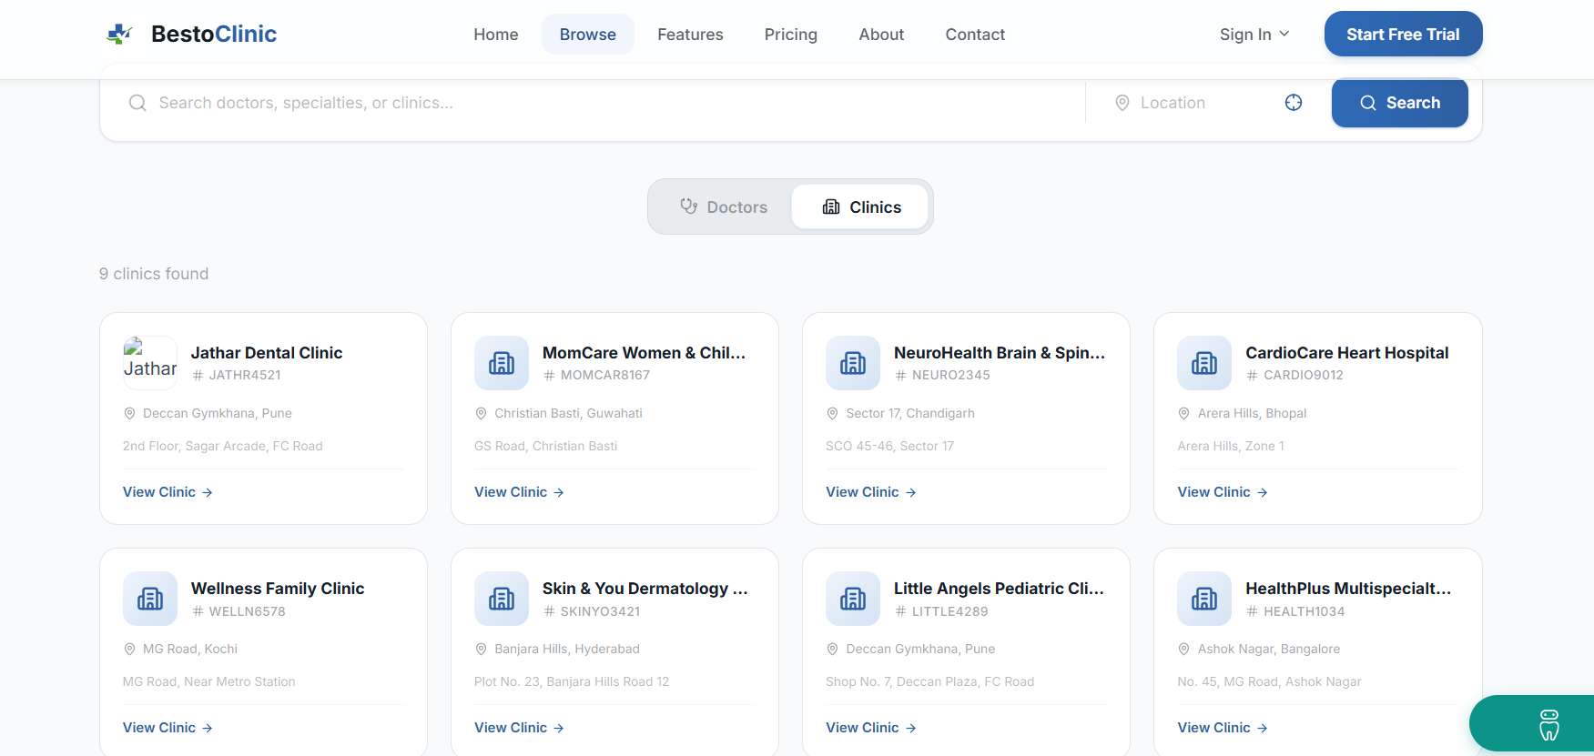
 |  | Clinic Logo Missing ,Home >Browse >For clinics

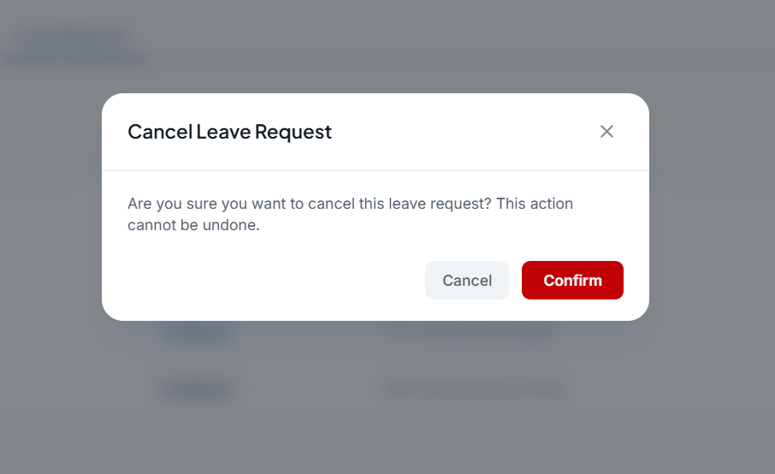

 |  | Confirm button is not working here,Doctor Dashboard >Schedule >Cancel Leave Request

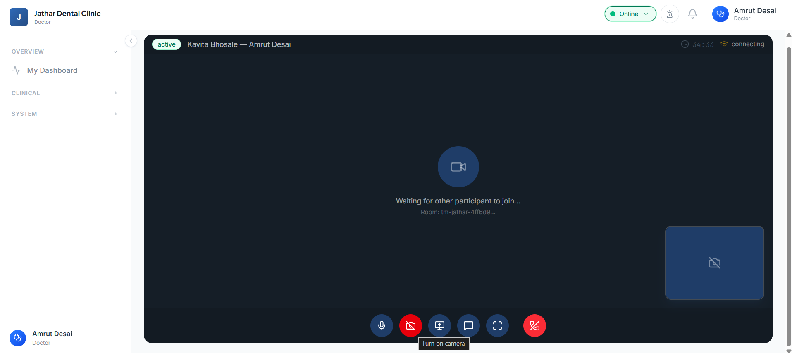
 |  | End Call button is not working

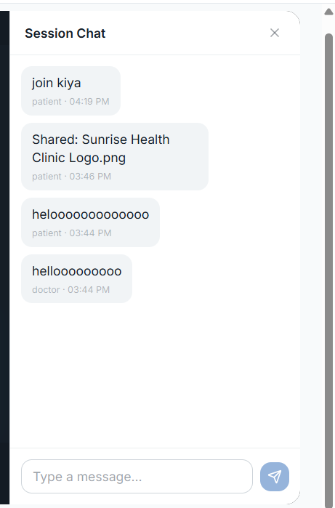

 | Sent message and recieved message is having same colour and alligned at one side,Also the latest message is getting updated on top of the chat,Attached files sent by Patient are not visible(Only Caption is visible)

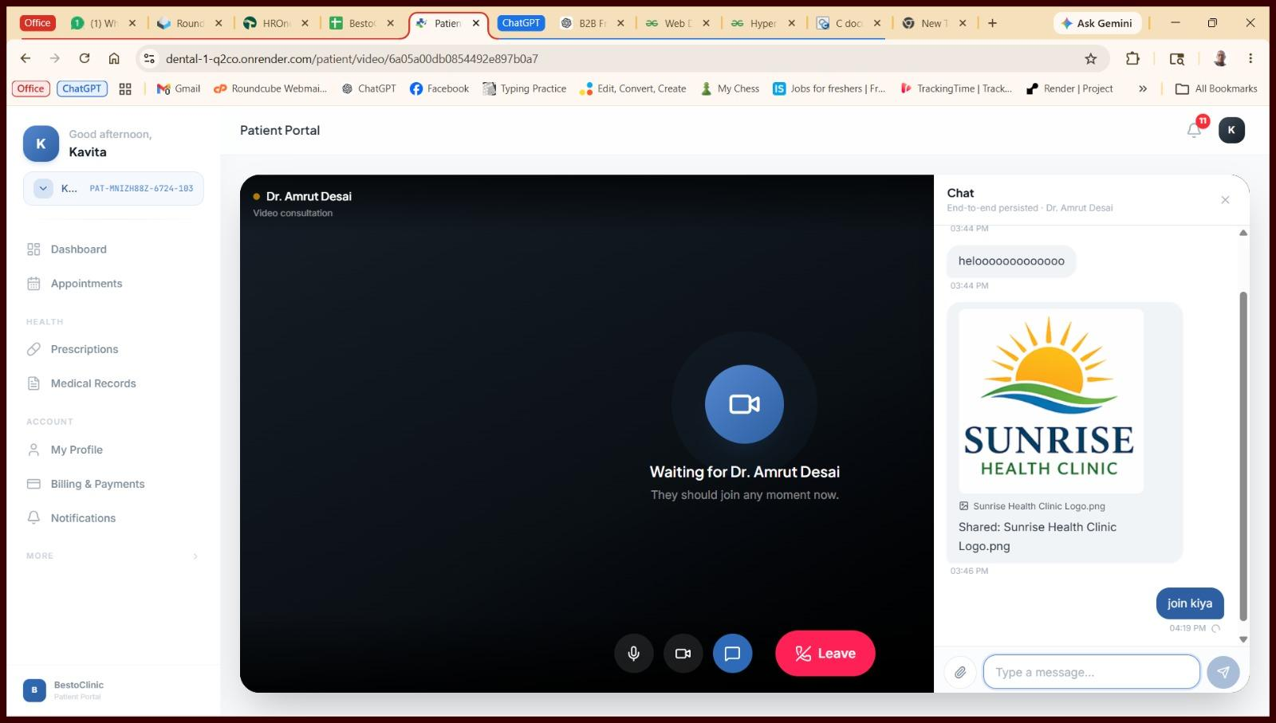

 |  | Message is sent but still shows processing (Patient Side Chatbot), Also Attached files can be seen in Chats Section

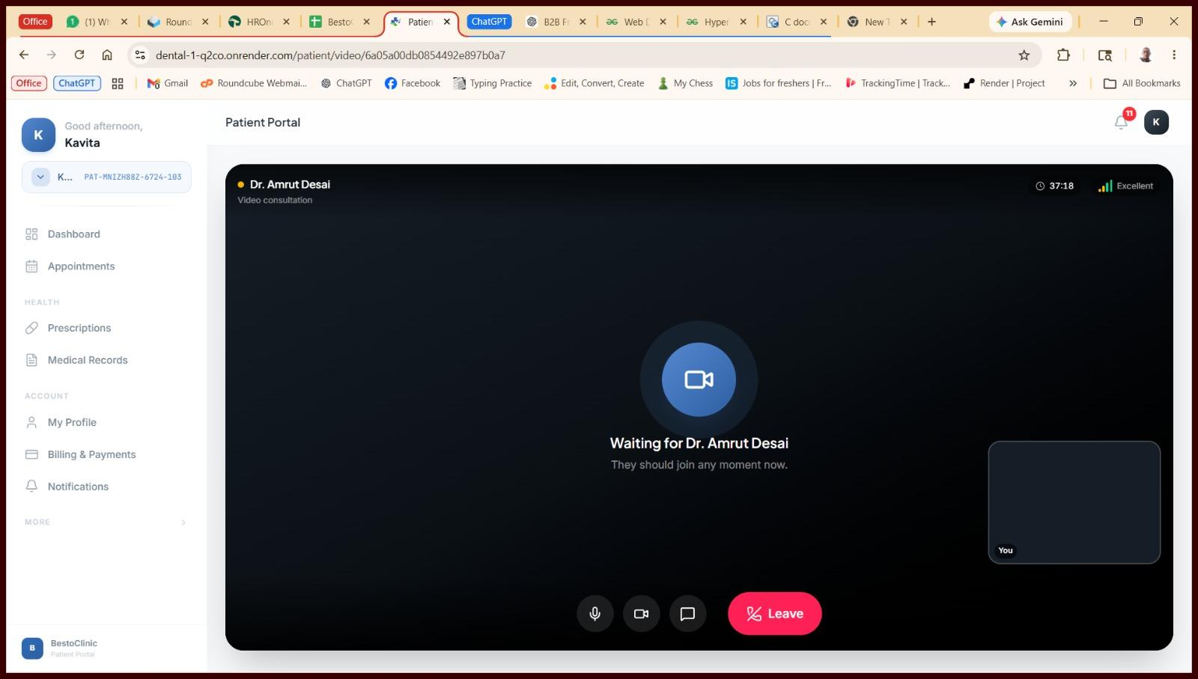

 |  |  | Camera is not working on Patient Side



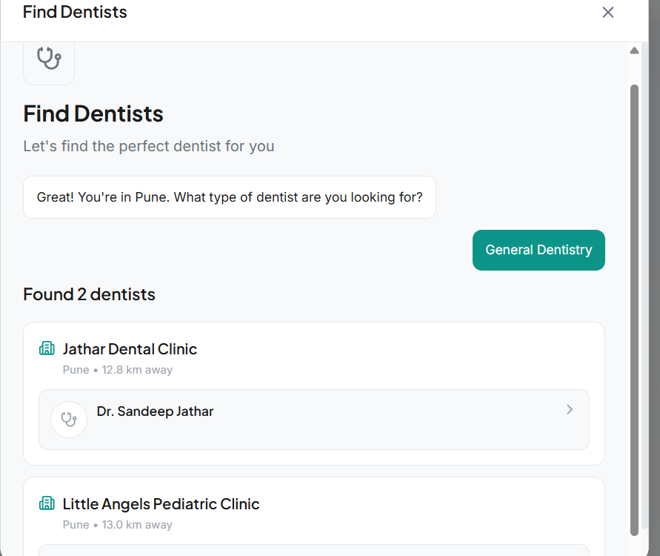
 |  |  |  |  |  | Home >Find Doctors ,,After clicking on doctor clinic ,it redirects to This found "Not Found"

 |  |  |  |  |  | Chatpot

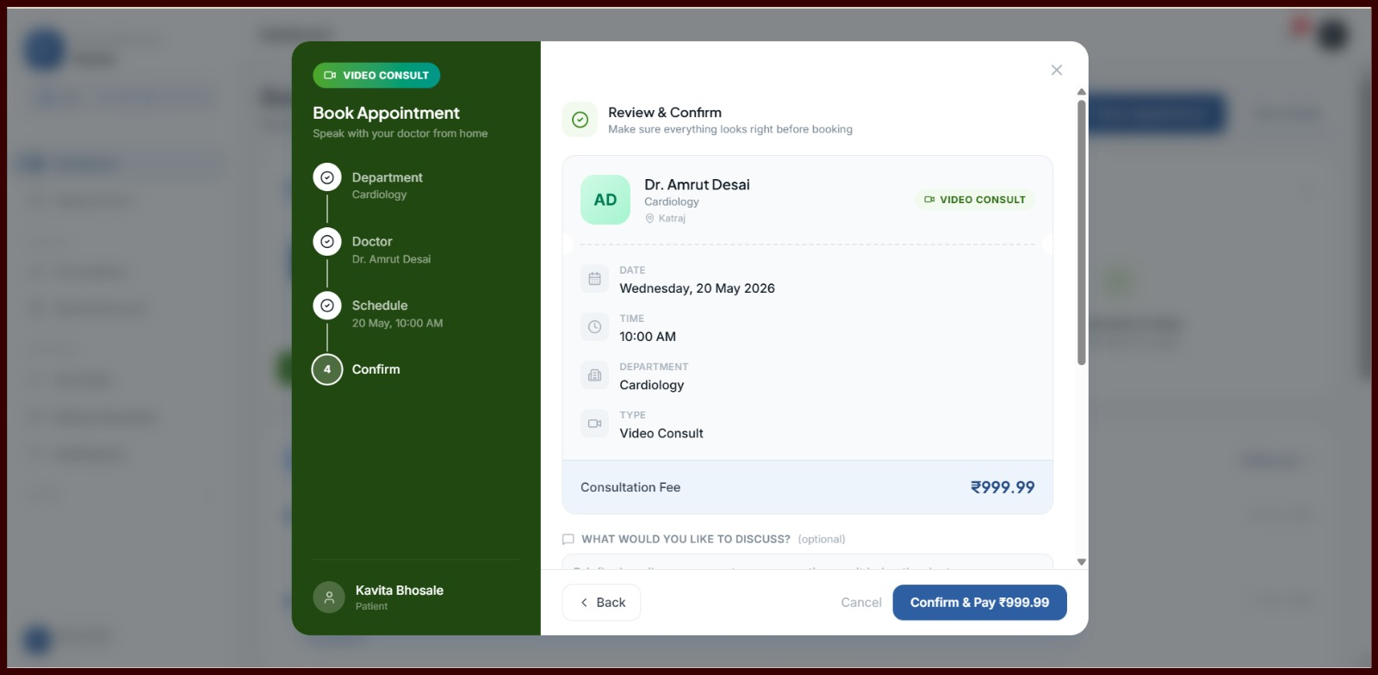
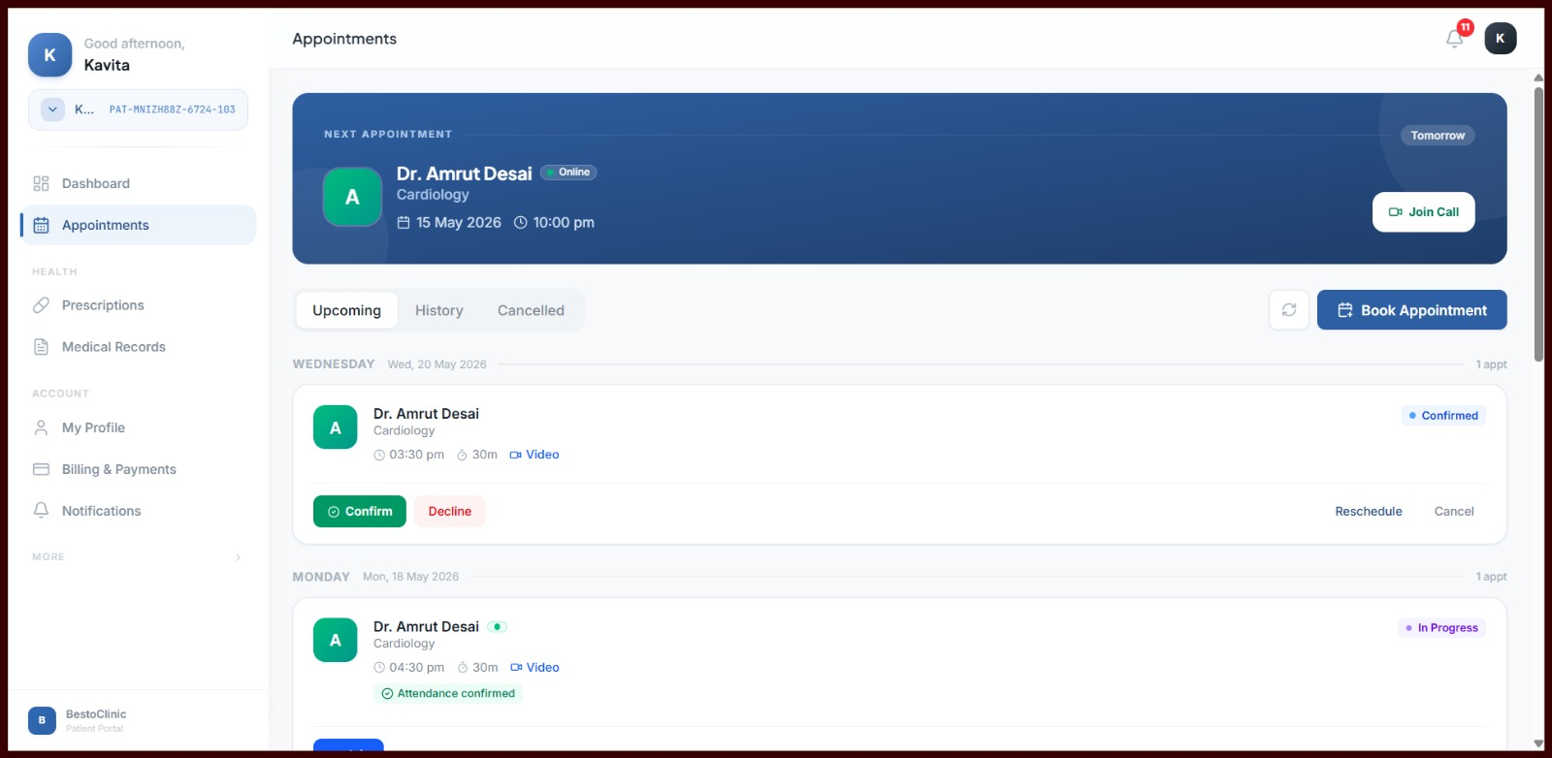
 |  |  |  |  | While Booking the time we chose is 10.00 AM ,but it changes to 3.30pm , For every time it adds +5.30 hrs to it

 |  |  |  |  | Patient Portal [ Web ]

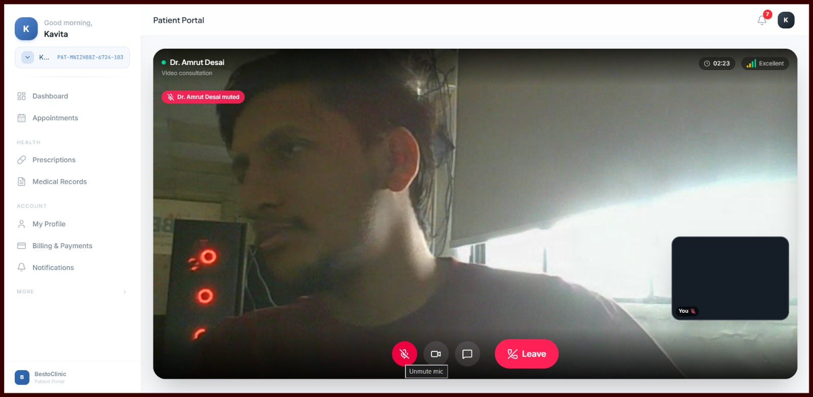

 |  | When I click microphone , It shows Dr. Amrut Desai muted .

 |  | Patient Portal [ Web ]

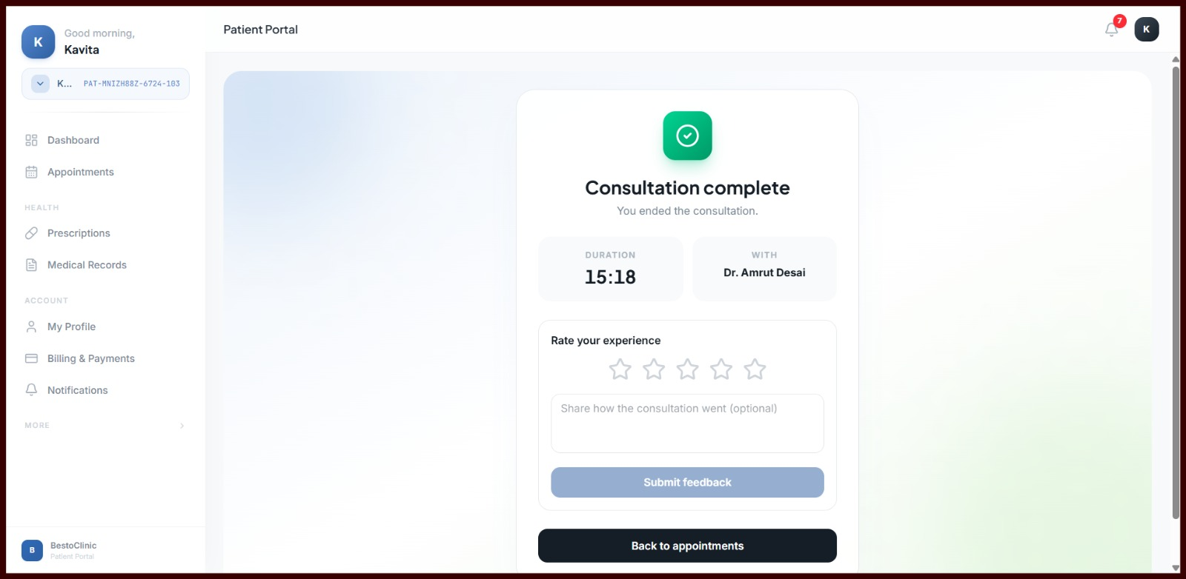

 |  | Coming call shows but doesn't show call module once connection start on this page .

 |  | Patient Portal [ Web ]

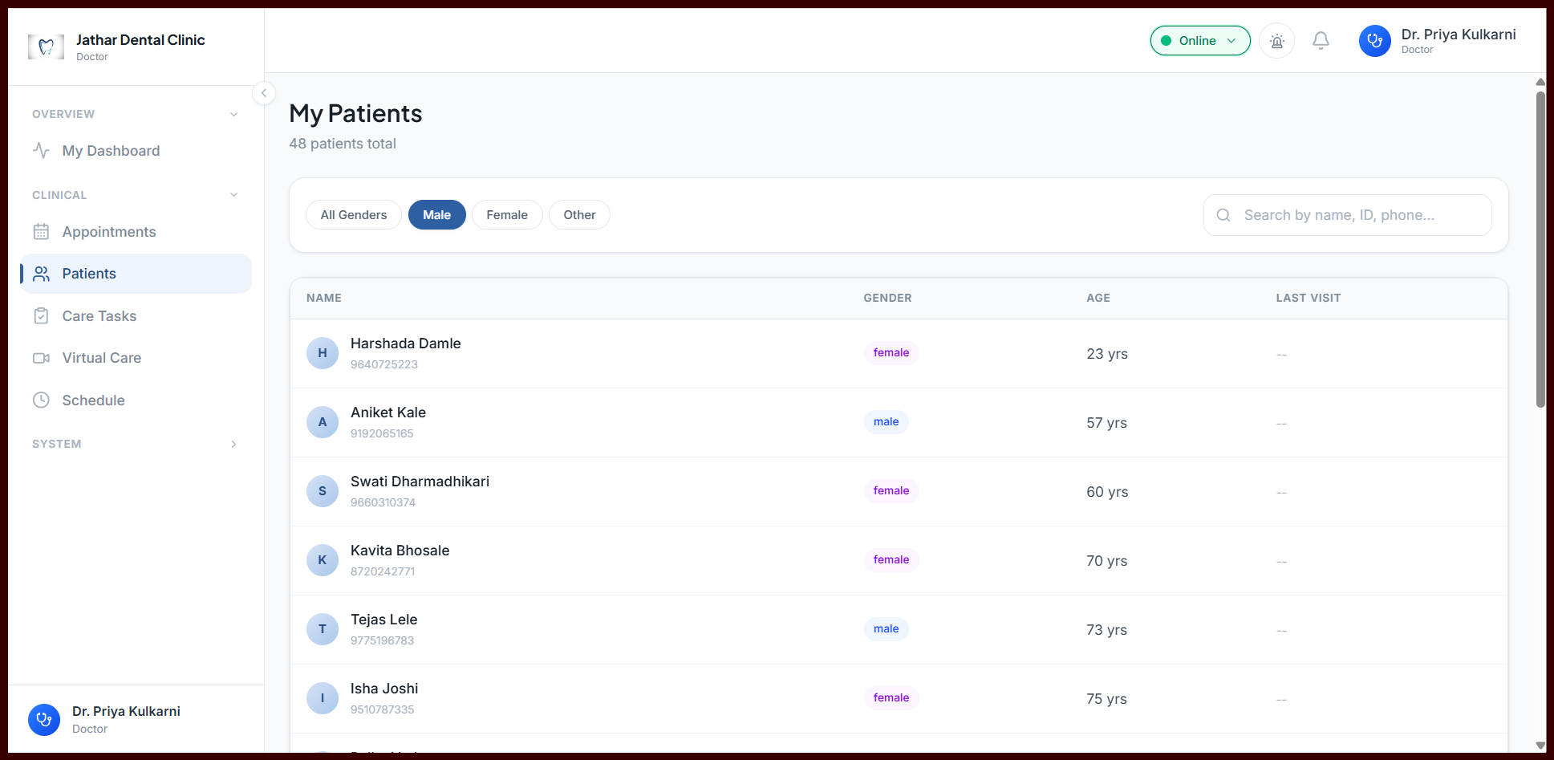

 |  | Under male block , there are still showing female .

 |  | Doctor Portal [ Web ]

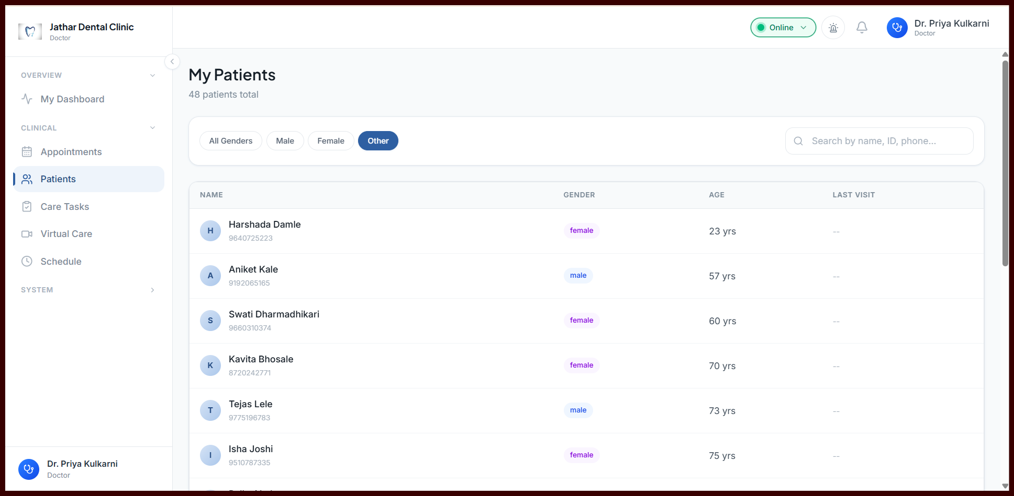

 |  | Under other block , there are still showing female and male .

 |  | Doctor Portal [Web ]

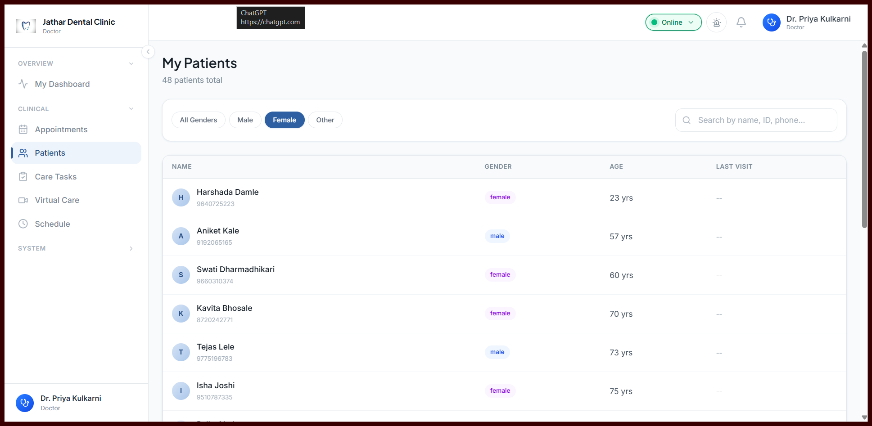

 |  | Under female block , there are still showing male .

 |  | Doctor Portal [ Web ]

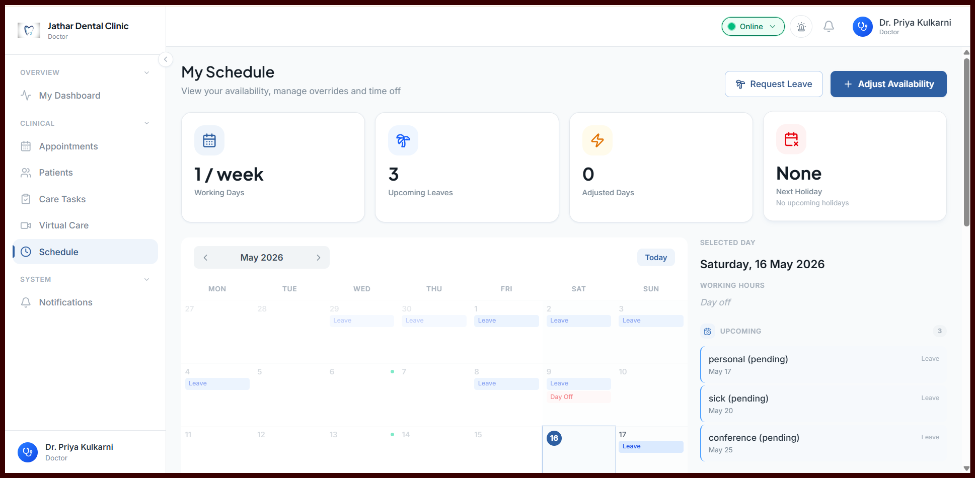

 |  | Upcoming leaves number not getting updated on dashboard .

 |  | Doctor Portal [ Web ]

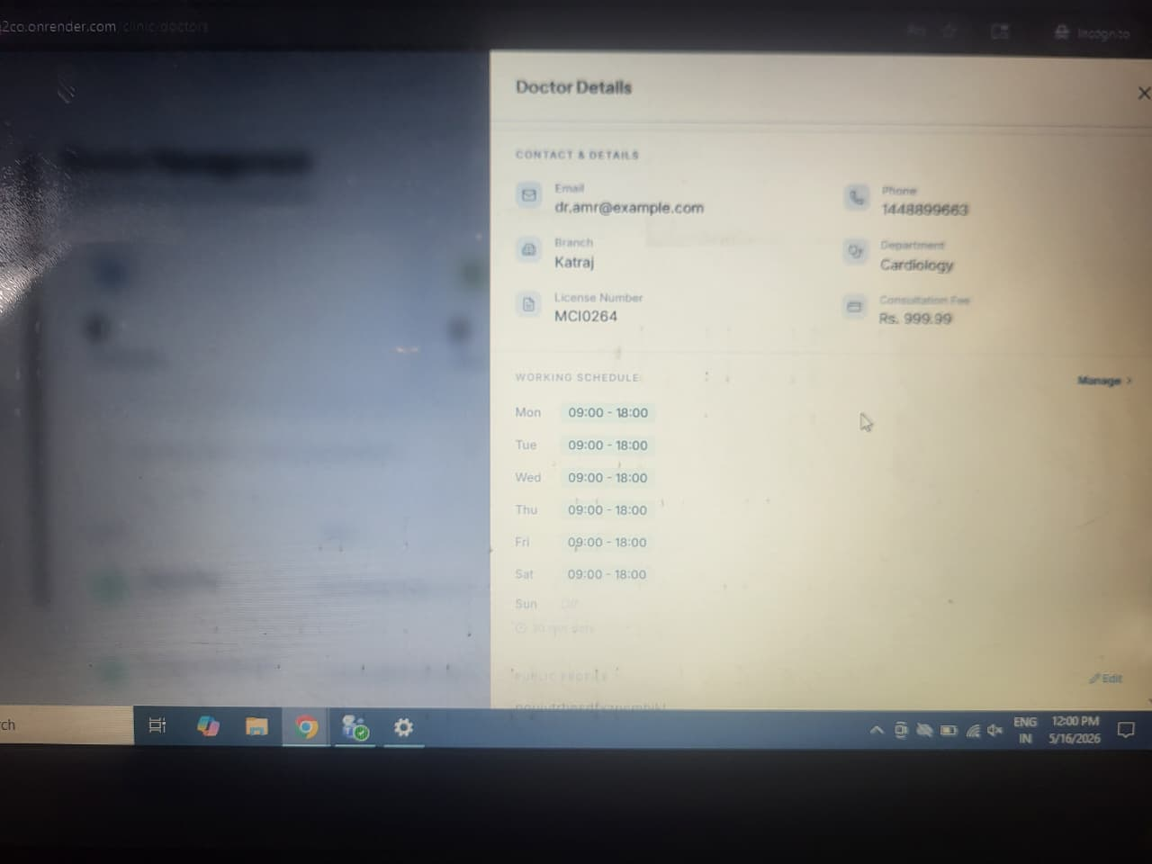

 |  | Manage availability from Admin side is not working .

 |  | Admin Portal [ Web ]

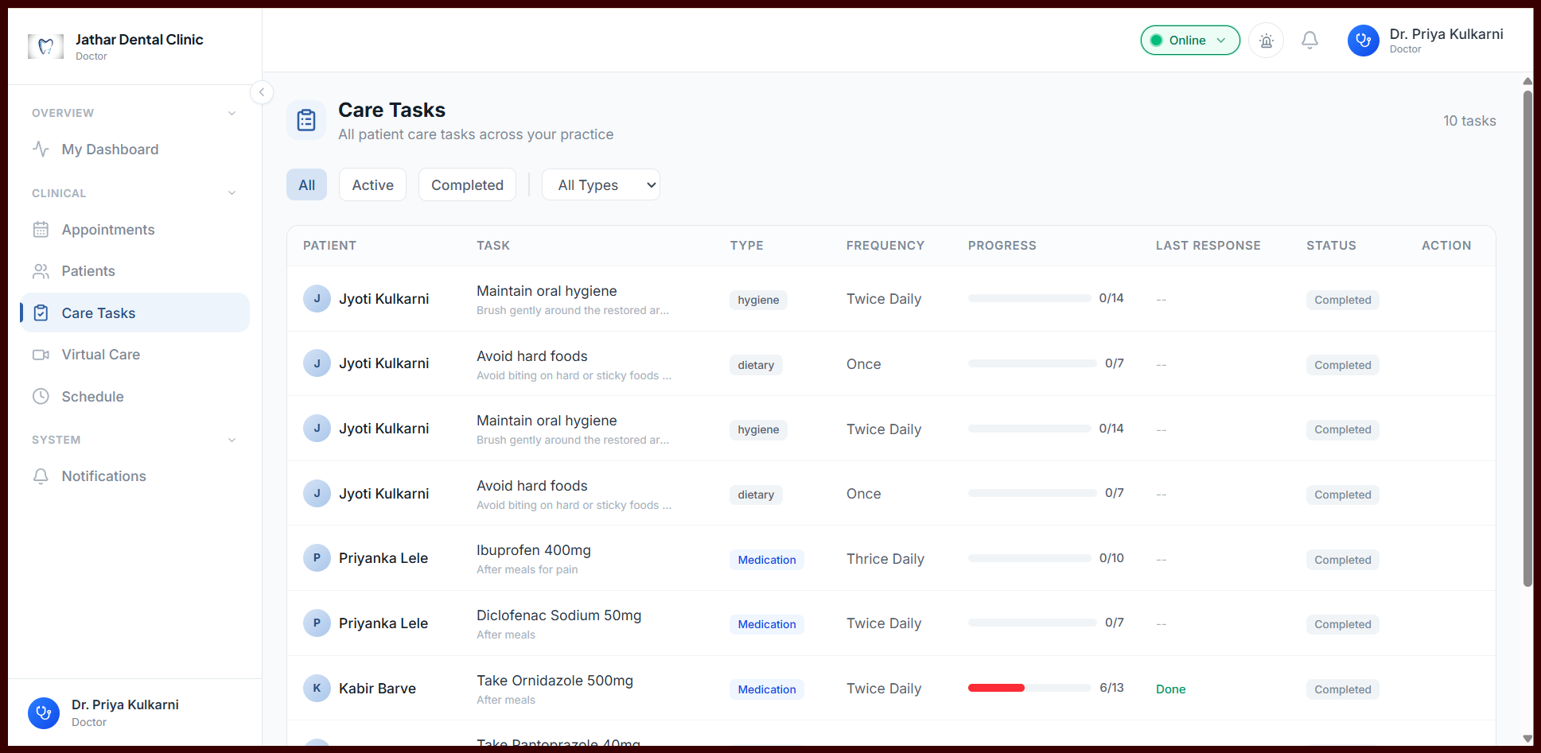

 |  | Under Action column , There must be something either edit or view .

 |  | Doctor Portal [ Web ]

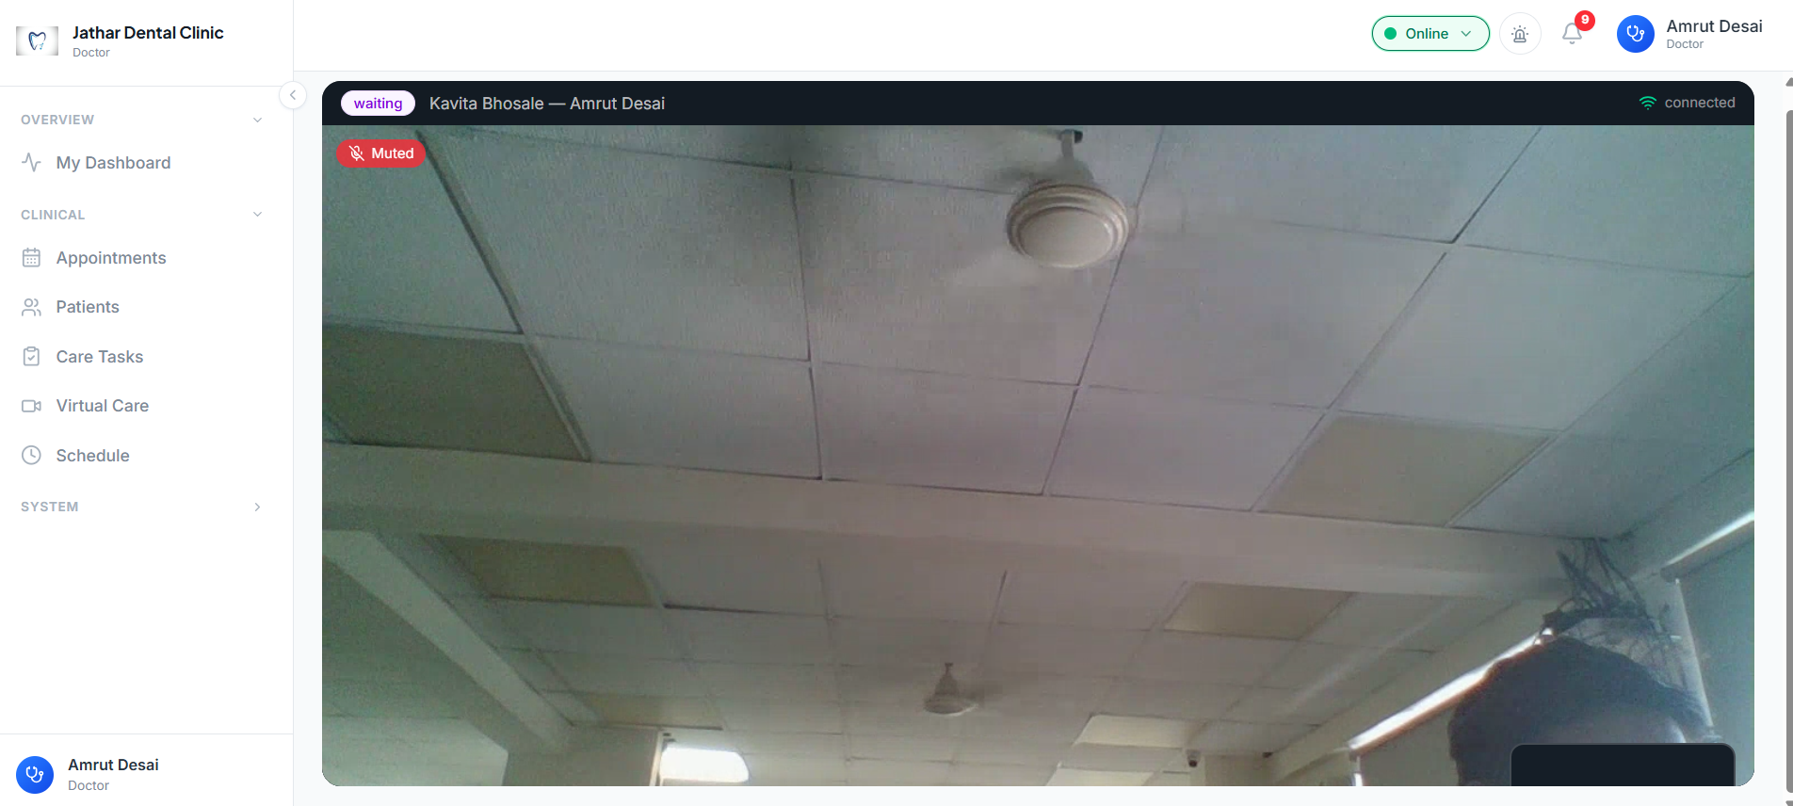

 |  |  | Same Issue of Camera Layout

 |  |  | Doctor Portal [ Web ]

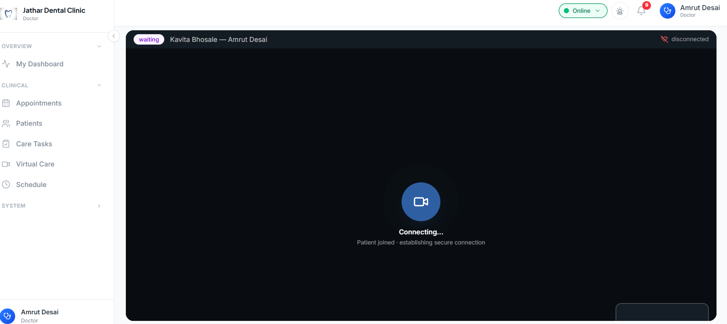
 |  |  | Even After Leave the call from Patient ,Doctor side still shows Connecting status .and the call doesnt end

 |  |  | Doctor Portal [ Web ]

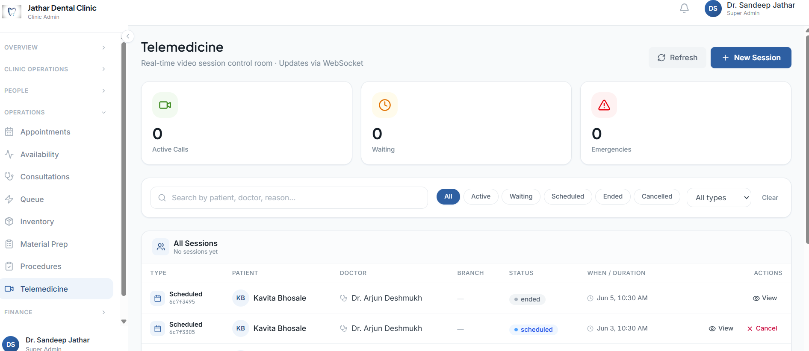
 |  |  | Admin side Teleconsultations count is 0

 |  |  | Admin Portal [ Web ]

 |  |  | Billing and finance section UI Issue

 |  |  | Admin Portal [ Web ]

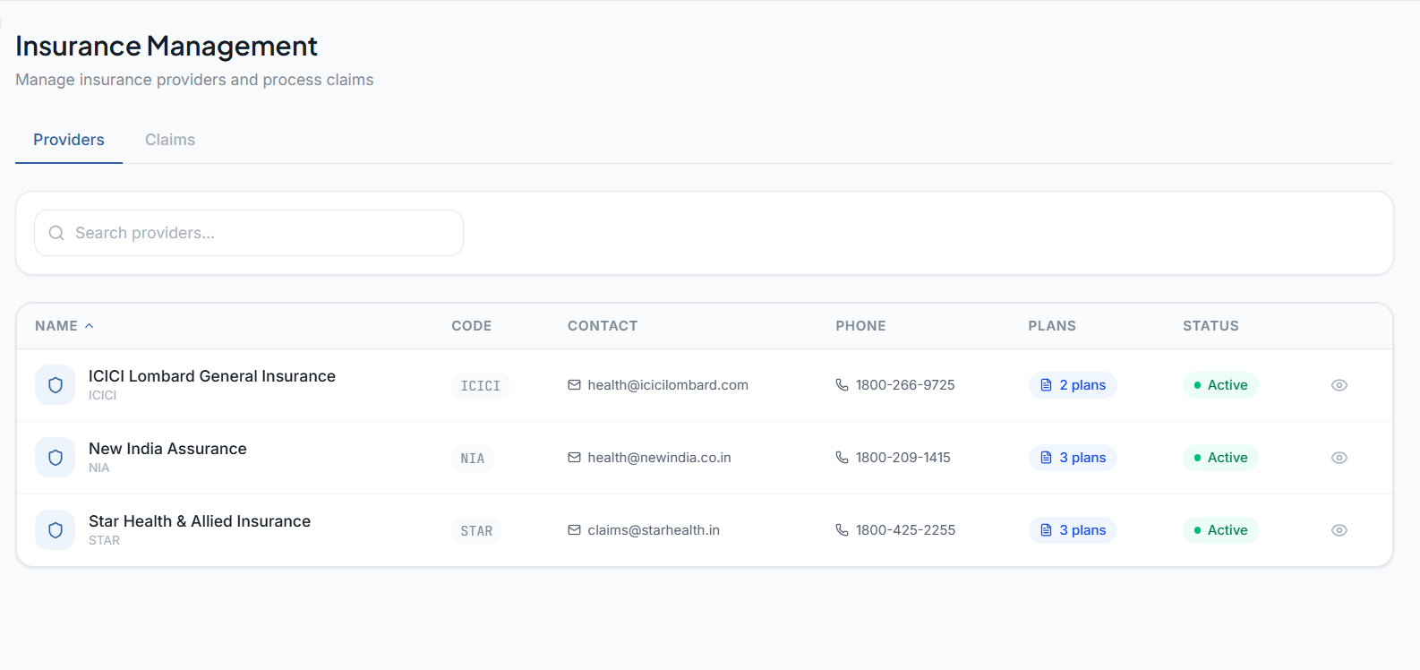

 |  |  |  | Insurance section ,when we click on view icon it directs to white blank page

 |  |  |  | Admin Portal [ Web ]

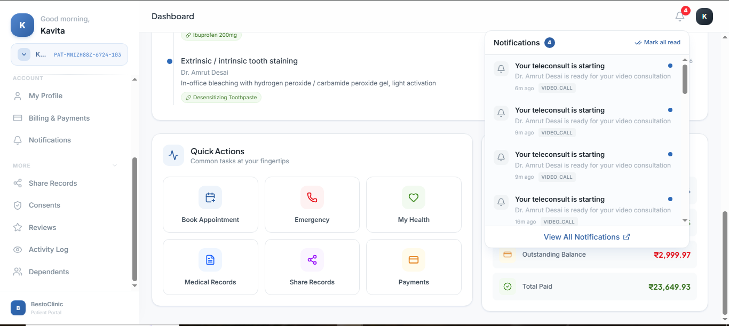
 |  |  |  | Partient Portal [Web]

 |  |  |  | Notification for doctor check-in not working

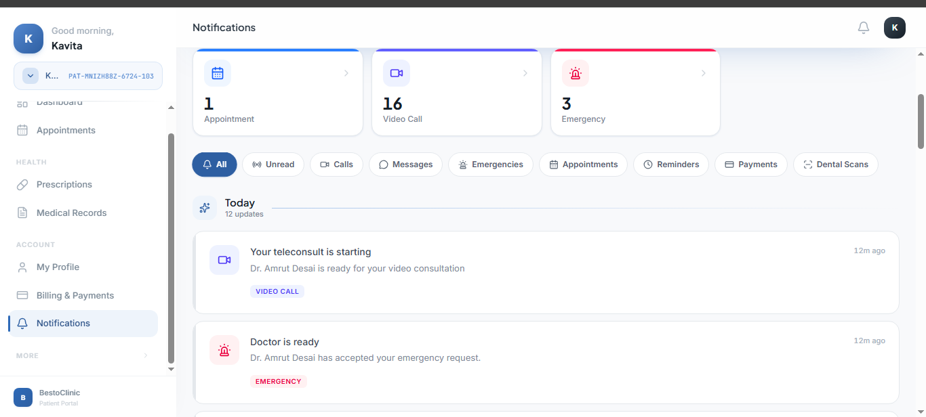

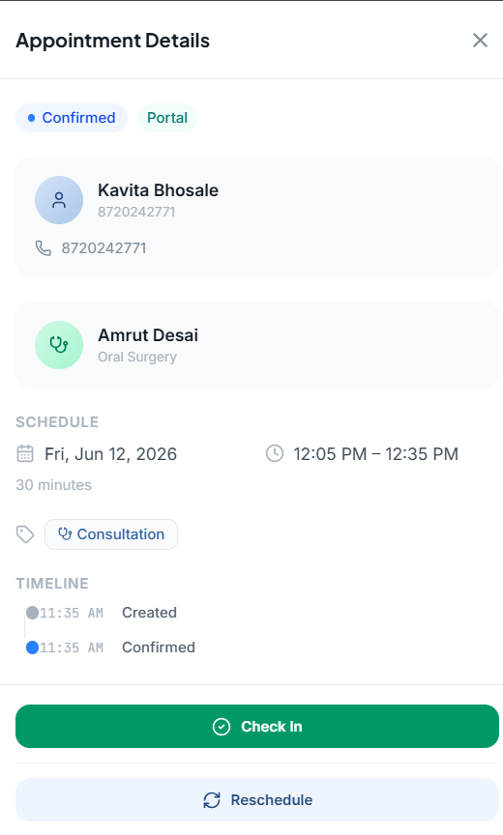

 | Appoinrment Confirmed and Checkin at 12:14 PM ,but in Timeline time shows 11:35 AM

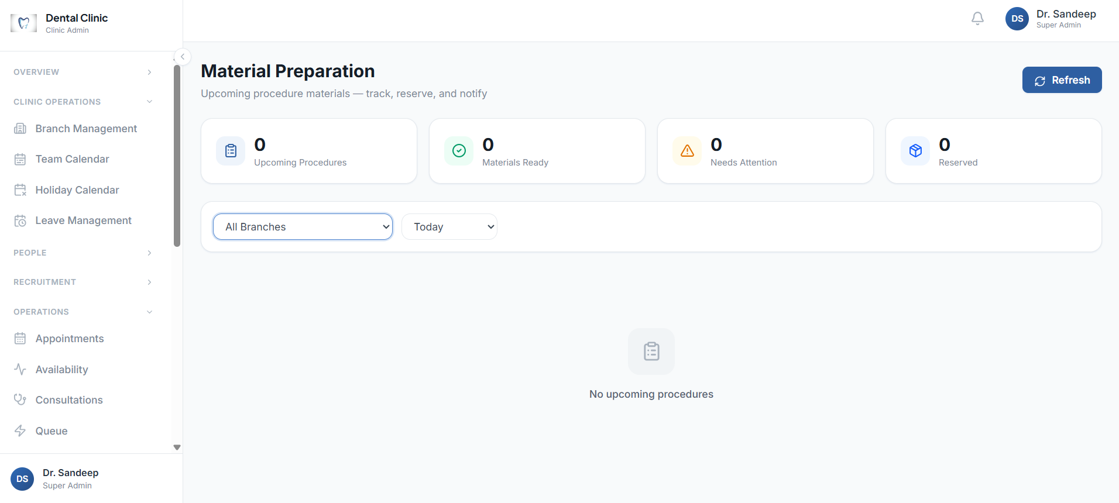
 |  |  |  | Material Management data is not available

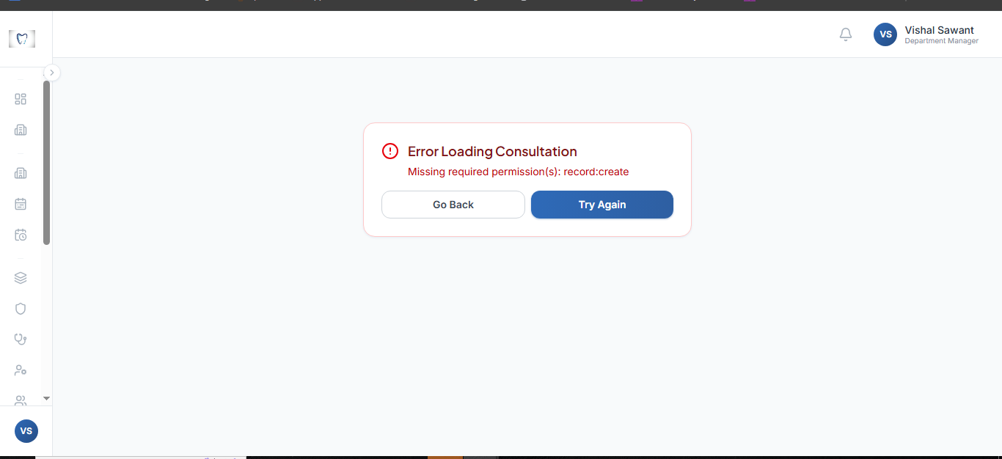
 |  |  |  | Admin Portal [web]
 |  |  |  | In Consultations section when clicked on In progress status , showing as- Error Loading consultation

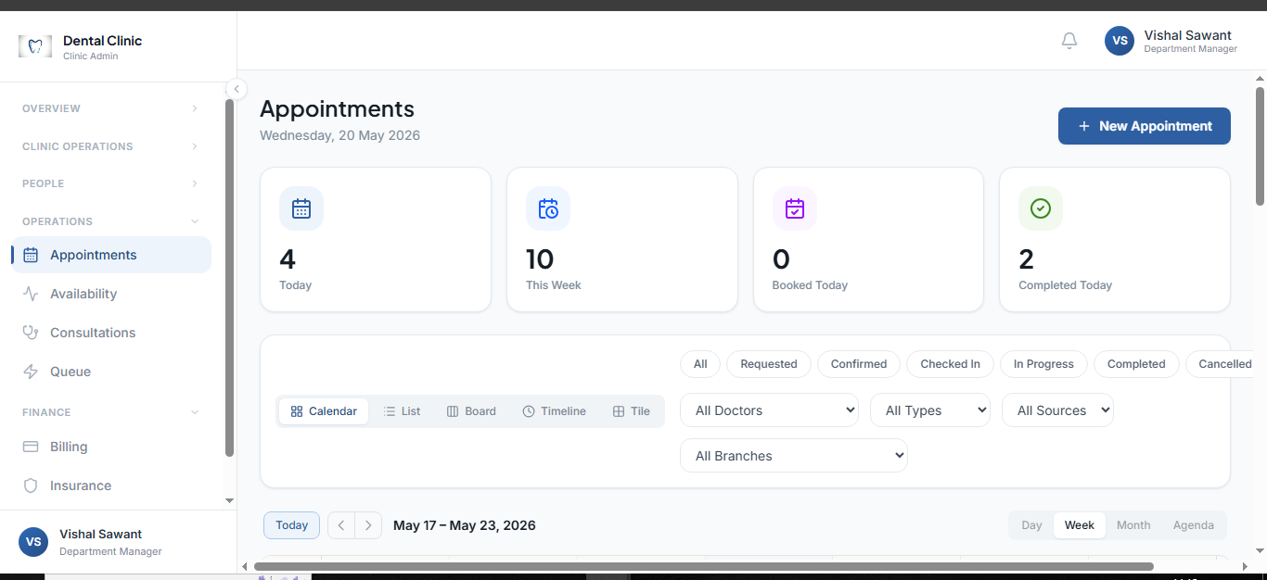
 |  |  |  | In Apointment section - filters tab's filter are not in proper proportion

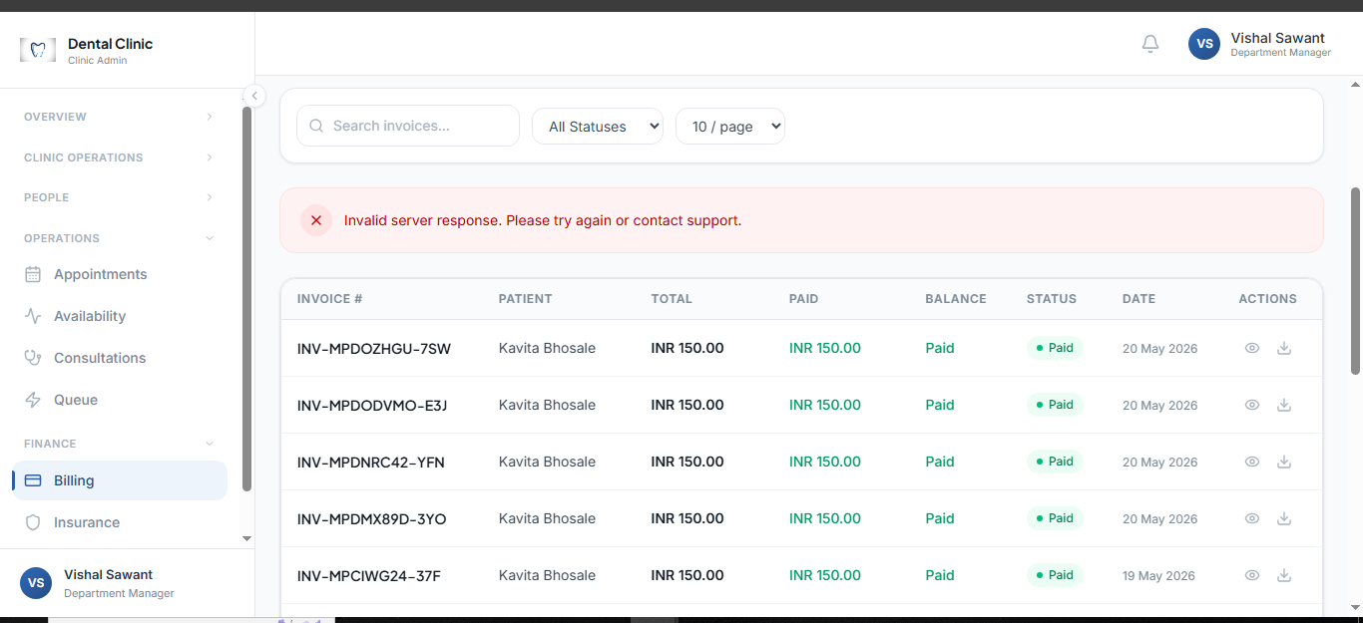
 |  |  |  | In Finance/Billing section Invoice PDF is not able to download

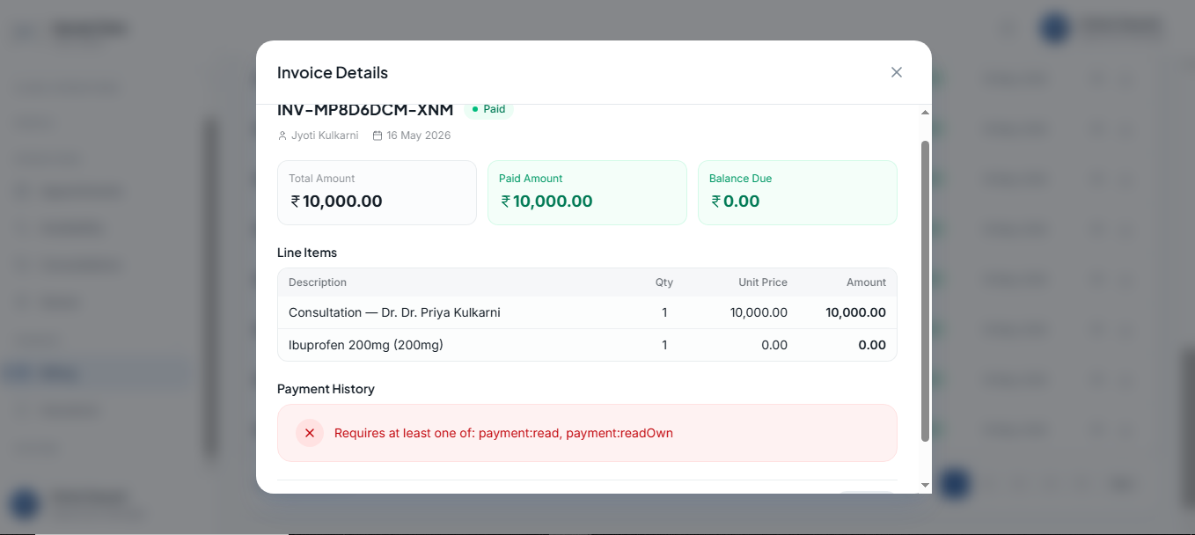
 |  |  |  | In Finance/Billing section -Invoice details view: Payment history is not showing

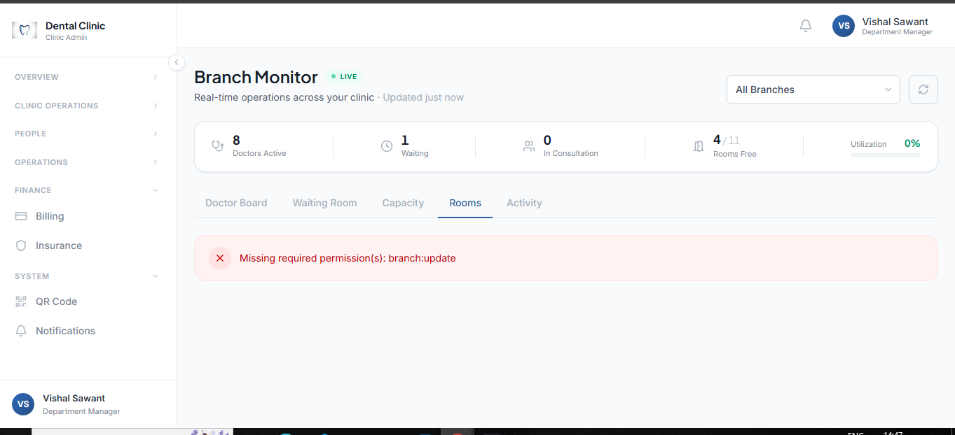
 |  |  |  | While adding new room, it is showing an error : Missing required permission

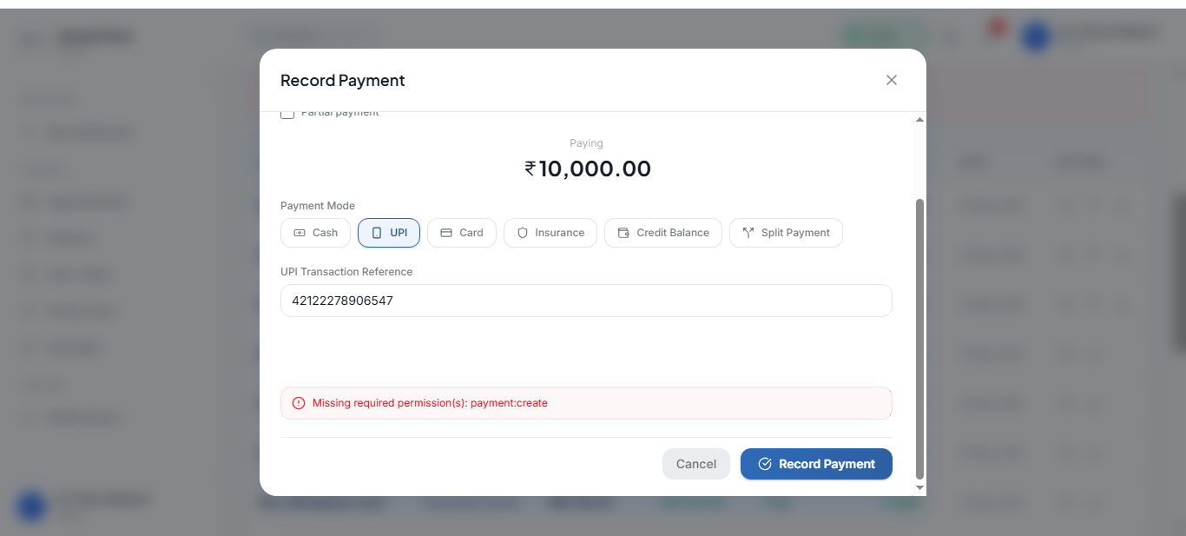
 |  |  |  | Doctor Portal
 |  |  |  | Record Payment : Unable to make record payment, error:Missing required permission(s): payment:create
 |  |  |  | Invoice is visible now

Permission issue
Doctor Portal :Patient/Invoice/Record Payment
Admin Portal : Overview/Branch Monitor/Rooms

